Collision Diagram
 |  |  |  |  |  | 11

POLICE DETAILS |  |  |  |  | RCIS DETAILS

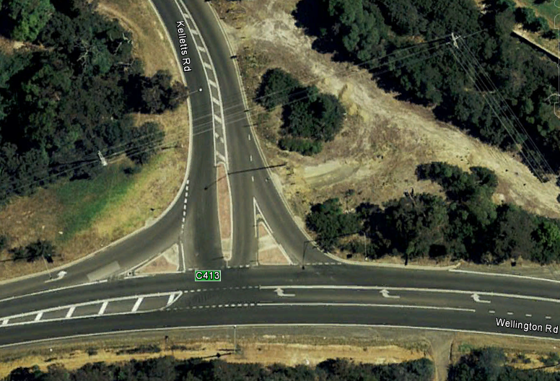
 |  |  |  | 1 W*-E^ 121 19/08/10 Thu Day 4:30:00 PM Other injury
 |  |  |  | 2 W*-E^ 121 24/05/11 Tue Day 8:25:00 AM Serious injury
 |  |  |  | 3 S^-S* 132 14/06/11 Tue Day 9:00:00 AM Other injury
 |  |  |  | 4 SE*-NE^ 113 01/03/13 Fri Dark 10:49:00 PM Serious injury
 |  |  |  | 5 E^-S* 113 26/07/13 Fri Dark 7:00:00 PM Other injury
 |  |  |  | 6 W*-E^ 121 04/10/13 Fri Dusk 6:00:00 PM Other injury
 |  |  |  | 7 NE*-NW^ 113 07/11/13 Thu Day 2:40:00 PM Other injury
 |  |  |  | 8 SE*-NW^ 121 10/12/13 Tue Dark 9:49:00 PM Serious injury
 |  |  |  | 9 SW*-NE^ 121 19/12/13 Thu Day 1:10:00 PM Dry Other injury
 |  |  |  | 10 E^-S* 113 11/08/14 Mon Day 3:00:00 PM Dry Other injury
 |  |  |  | 11 NW^-SE* 121 22/08/14 Fri Dusk 6:02:00 PM Other injury

3

11_{d}
5_{d}
7
4_{d}

1
2
10
6_{d}
8_{d}
9

Unit 1
Unit 2
 | Wet or Dark/Dusk | Date Range | 01/01/2010 - 31/12/2014 | COLLISION DIAGRAM
 | Fatal Crash | Location | At KELLETTS ROAD (5428) And WELLINGTON ROAD (5798)
 | Serious Injury Crash
 | Other Injury Crash
CARD
 |  | Map Ref | 82 K2

 |  | Council | KNOX

